cuadre
GOBIERNO DE PUERTO RICO
Departamento de Hacienda

PAYGO REVENUES FOR FISCAL YEAR 2018-2019

PRIFAS Revenues Acct. R4408-726-0250000-030-2018 |  |  | $838,619,448.12
BY 2018 Revenues reclasification to General Fund |  |  | (328,997,721.30)
Total Revenues Budget Year 2018-2019 |  |  | 509,621,726.82

ERS EMPLOYERS
JV 0001589250 JULY |  | 2,340,835.71
JV 0001589251 AUGUST |  | 1,180,135.27
JV 0001589252 SEPT |  | 1,421,561.84
Transacciones BY 2020 |  |  | (4,942,532.82)
TOTAL DE INGRESOS EN PRIFAS 2018-2019 |  |  | $504,679,194.00

Row Labels |  | Sum of Amount
APORTACIONES ANTES DE JULIO 2017 | 0001549246 | 19,434,866.70
JULIO 2018 | 0001589608 | 35,320,835.38
AGOSTO 2018 | 0001632964 | 20,059,742.62
SEPTIEMBRE 2018 | 0001643542 | 29,197,576.77
OCTUBRE 2018 | 0001652909 | 24,618,766.49
NOVIEMBRE 2018 | 0001652945 | 41,447,563.50
DICIEMBRE 2018 | 0001652950 | 10,748,659.81
ENERO 2019 | 0001549472 | 43,029,555.93
FEBRERO 2019 | 0001673909 | 49,950,459.06
MARZO 2019 | 0001673918 | 51,305,215.80
ABRIL 2019 | 0001673920 | 31,079,158.62
MAYO 2019 | 0001582655 | 421,173.88
MAYO 2019 | 0001582330 | 80,464,324.88
JUNIO 2019 | 0001582656 | 424,260.27
JUNIO 2019 | 0001582329 | 57,698,253.65

INGRESOS ERS |  |  | 495,200,413.36

 | SV 00222507 | (25,948.01)
 | SV 00221643 | (8,114.37)
 | SV 00221199 | (4,688.29)
DEVOLUCION APORTACIONES AMA | JV 0001573848 | (2,267,844.43)
DEVOLUCIONES DE APORTACIONES AL SISTEMA DE RETIRO |  |  | (2,306,595.10)

 | JV 0001586496 | 9,502,961.14
INGRESOS ERS EMPLOYER PAYMENT PLAN (CTA.030127491) |  |  | 9,502,961.14

PAYGO TRS | JV 0001666470 | 2,403.64
INGRESOS TRS |  |  | 2,403.64

PAYGO JRS |  | 2,280,010.96
 |  |  | 2,280,010.96
 |  |  | 504,679,194.00

DIFERENCIA |  |  | -

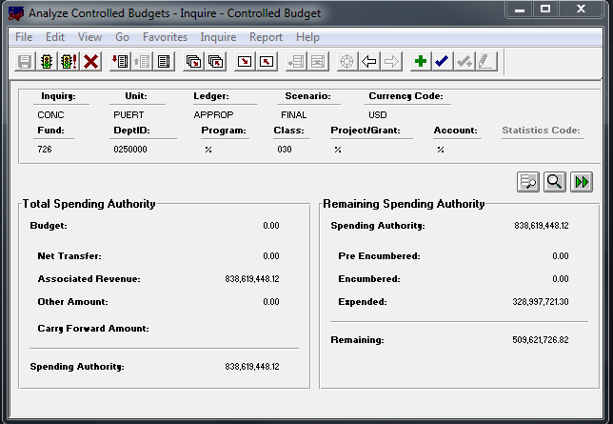

 | BALANCE PRIFAS | $509,621,726.82
 | MENOS: TRANSACCIONES 2019-2020 | (4,942,532.82)
 | BALANCE AJUSTADO | $504,679,194.00

PANTALLA BPPR
